Sheet1
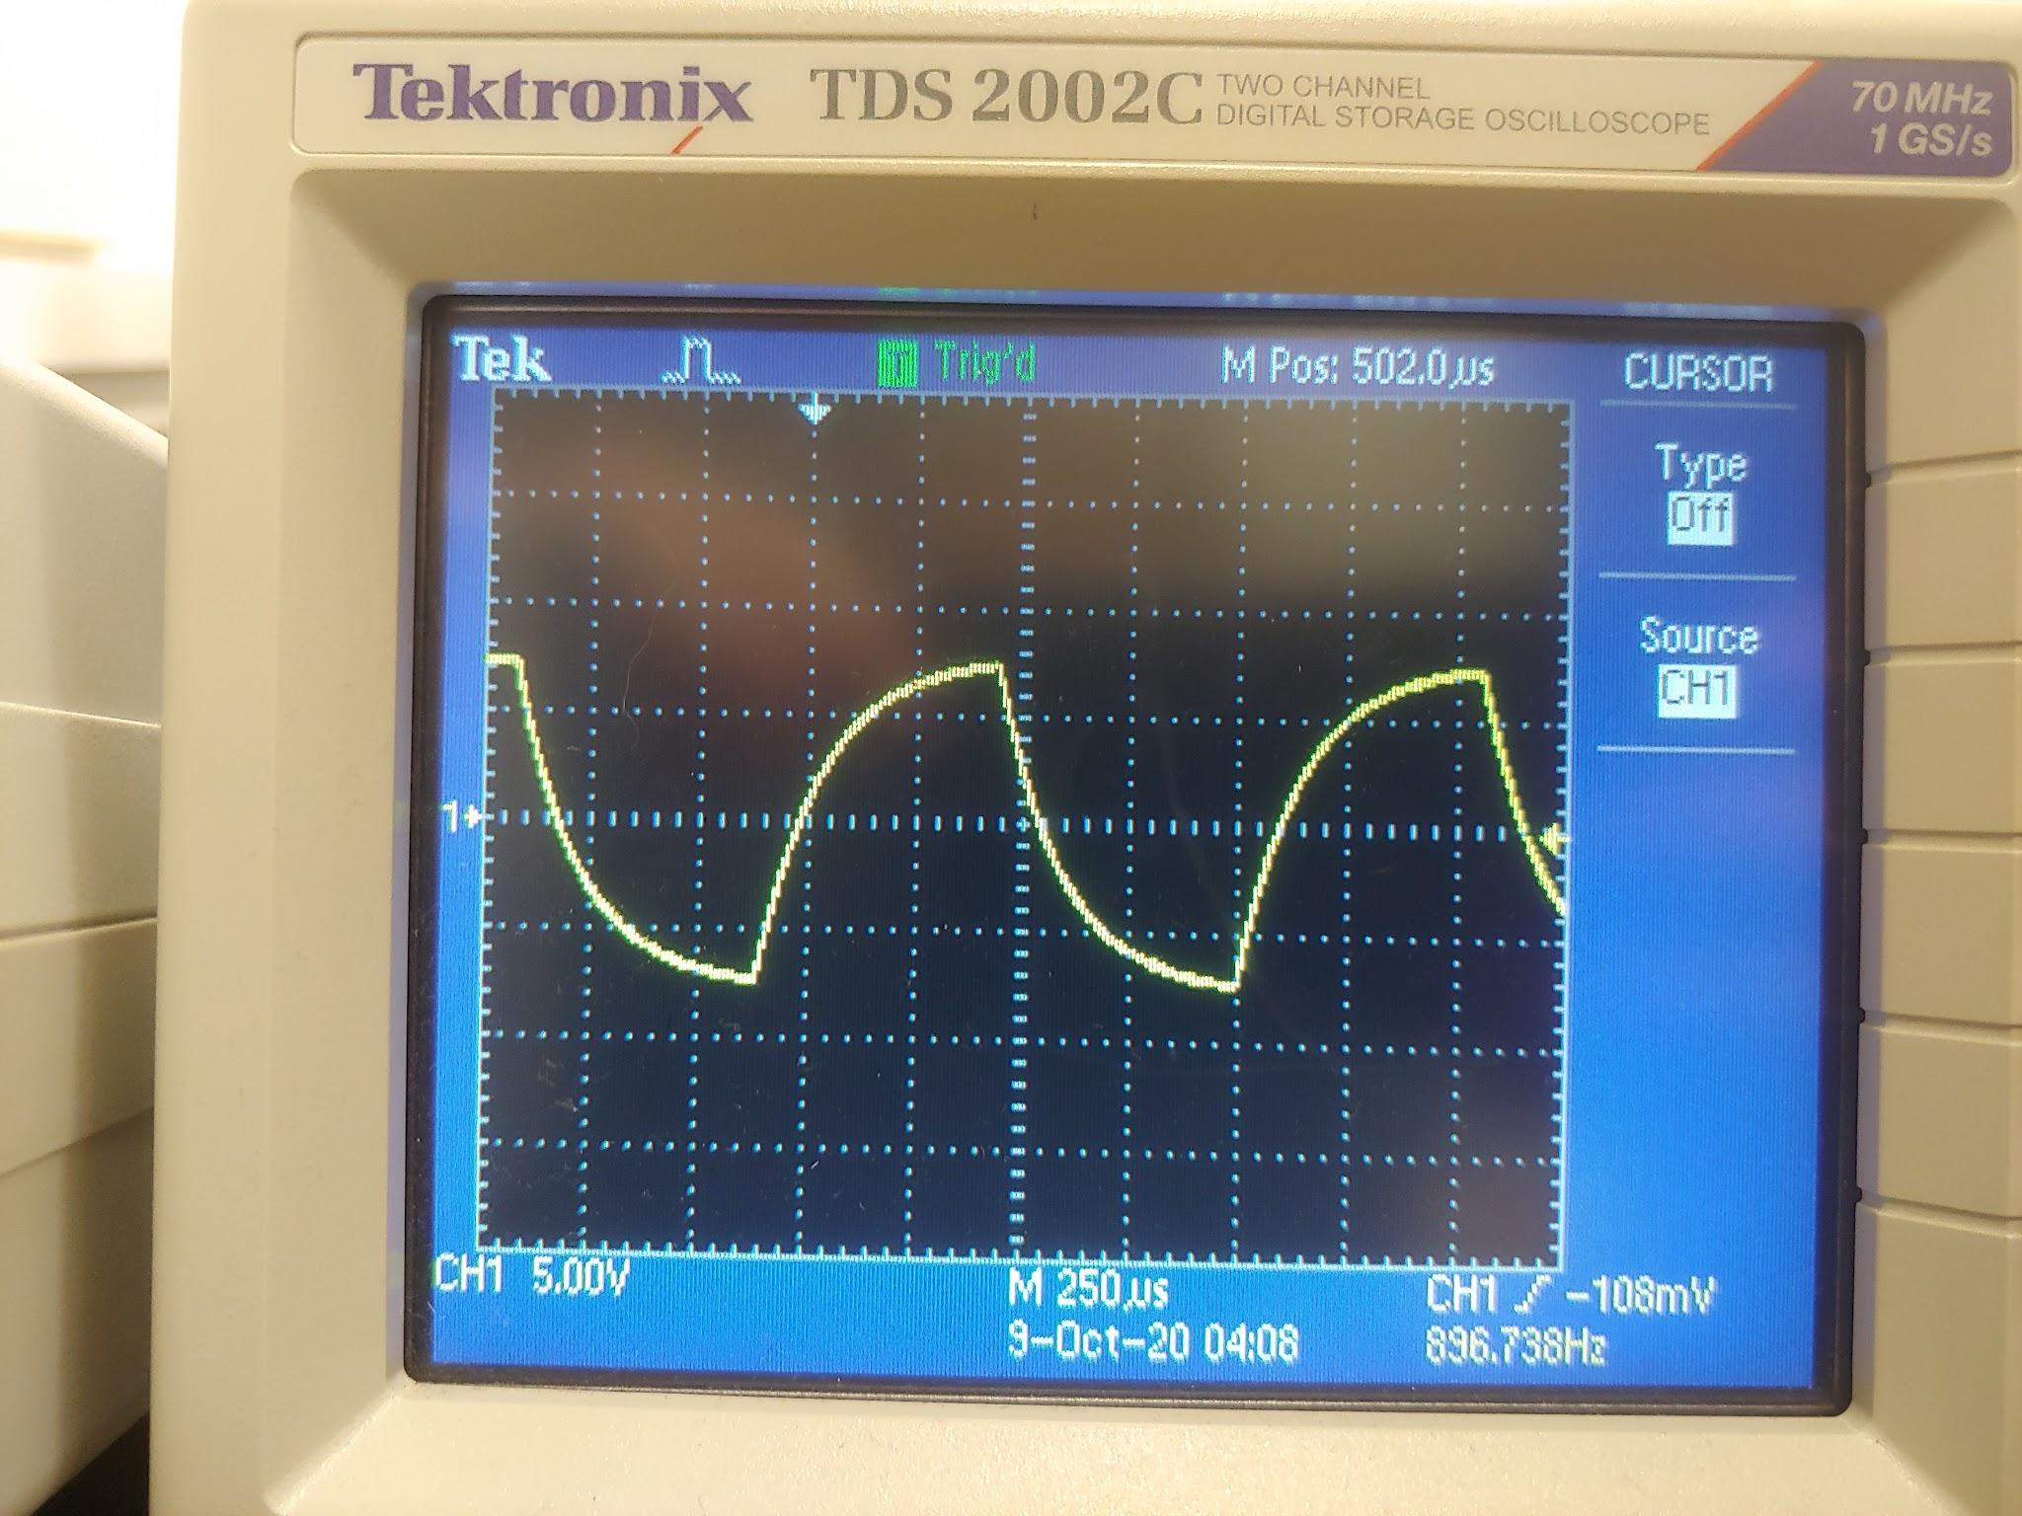
Part 1 data |  |  | capacitor 1 | 46.4 microF | R = 1 |  |  |  | Part 2 data
Voltage (V) Run #1 | Time (s) Auto | exp fit=0.0206 | Voltage (V) Run #2 | Time (s) Auto | exp fit=0.0206 | Voltage (V) Run #3 | Time (s) Auto | exp fit=0.0207 | 15 V signal | 0.63*15=9.45
8.64 | 9 |  | 9.164 | 12 |  | 9.214 | 11
8.508 | 10 |  | 9.021 | 13 |  | 9.162 | 12 |  | Time to reach 63%: (charge) |  |  |  | Approximately 900 Hz
8.327 | 11 |  | 8.997 | 14 |  | 8.981 | 13 |  |  | 136 microseconds
8.151 | 12 |  | 8.807 | 15 |  | 8.795 | 14 |  | Time to reach 63%: (discharge)
7.98 | 13 |  | 8.623 | 16 |  | 8.613 | 15 |  |  | 132 microseconds
7.814 | 14 |  | 8.443 | 17 |  | 8.436 | 16
7.652 | 15 |  | 8.267 | 18 |  | 8.263 | 17
7.494 | 16 |  | 8.096 | 19 |  | 8.093 | 18 |  | capacitor 2: | 35.7 nF
7.339 | 17 |  | 7.928 | 20 |  | 7.928 | 19 |  | Resistor | 3.85 kOhms
7.189 | 18 |  | 7.764 | 21 |  | 7.766 | 20
7.041 | 19 |  | 7.604 | 22 |  | 7.607 | 21
6.896 | 20 |  | 7.448 | 23 |  | 7.452 | 22
6.754 | 21 |  | 7.295 | 24 |  | 7.301 | 23
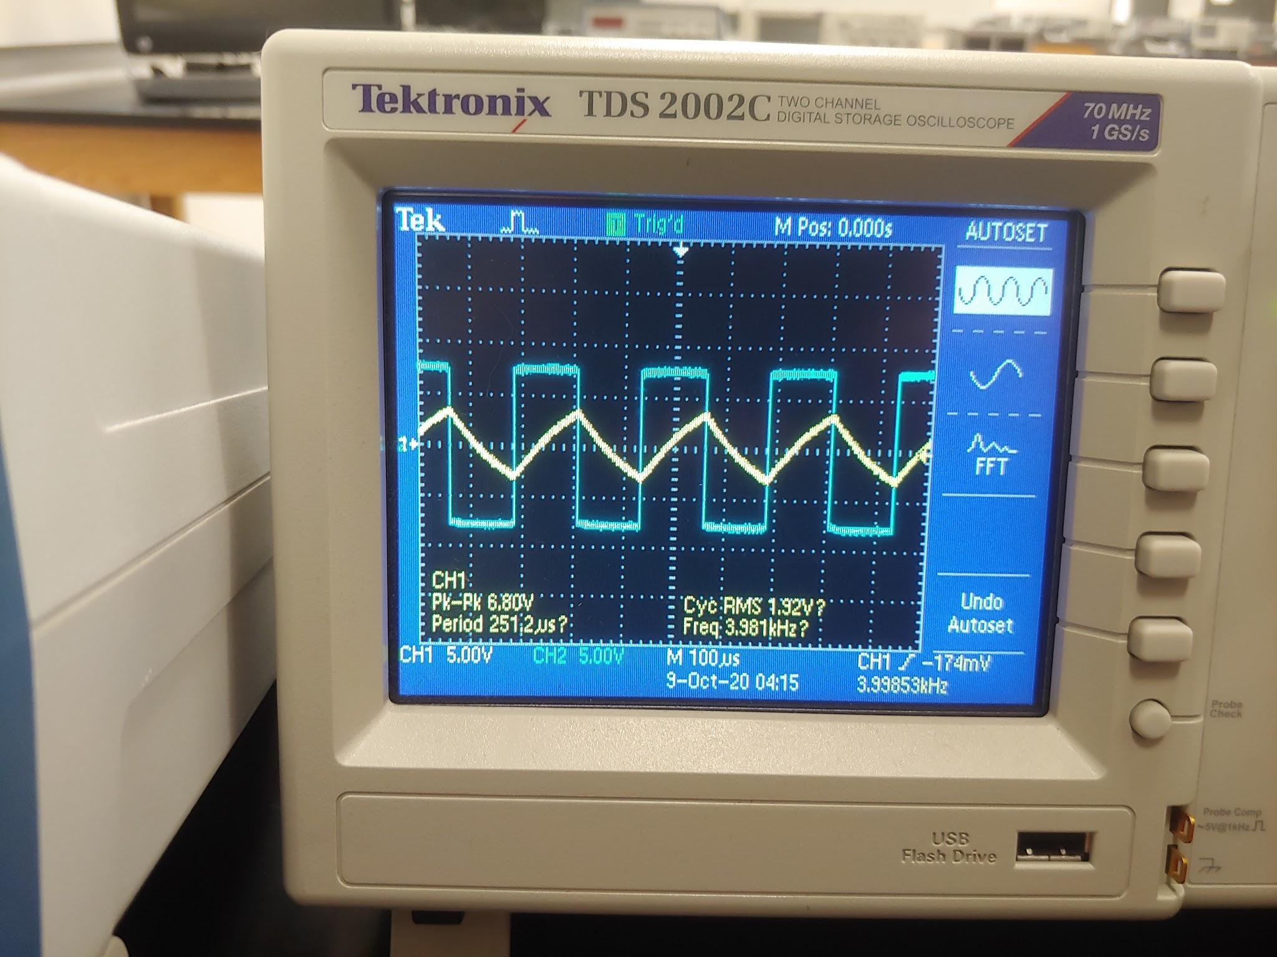
6.617 | 22 |  | 7.145 | 25 |  | 7.152 | 24
6.482 | 23 |  | 6.998 | 26 |  | 7.006 | 25
6.35 | 24 |  | 6.853 | 27 |  | 6.863 | 26 |  |  |  |  |  |  | Approximately 4 kHz with square wave
6.222 | 25 |  | 6.712 | 28 |  | 6.723 | 27
6.096 | 26 |  | 6.575 | 29 |  | 6.586 | 28
5.972 | 27 |  | 6.44 | 30 |  | 6.453 | 29
5.851 | 28 |  | 6.309 | 31 |  | 6.322 | 30
5.733 | 29 |  | 6.18 | 32 |  | 6.194 | 31
5.617 | 30 |  | 6.054 | 33 |  | 6.068 | 32
5.504 | 31 |  | 5.93 | 34 |  | 5.946 | 33
5.393 | 32 |  | 5.809 | 35 |  | 5.825 | 34
5.285 | 33 |  | 5.691 | 36 |  | 5.707 | 35
5.178 | 34 |  | 5.574 | 37 |  | 5.591 | 36
5.075 | 35 |  | 5.461 | 38 |  | 5.478 | 37
4.973 | 36 |  | 5.35 | 39 |  | 5.368 | 38
4.873 | 37 |  | 5.241 | 40 |  | 5.259 | 39
4.776 | 38 |  | 5.135 | 41 |  | 5.153 | 40
4.68 | 39 |  | 5.03 | 42 |  | 5.049 | 41
4.586 | 40 |  | 4.928 | 43 |  | 4.947 | 42
4.495 | 41 |  | 4.828 | 44 |  | 4.847 | 43
4.405 | 42 |  | 4.73 | 45 |  | 4.75 | 44
4.317 | 43 |  | 4.634 | 46 |  | 4.654 | 45
4.23 | 44 |  | 4.54 | 47 |  | 4.56 | 46 |  |  | V | t | ln(V)
4.146 | 45 |  | 4.448 | 48 |  | 4.468 | 47 |  |  | 7.98 | 13 | 2.076938411
4.064 | 46 |  | 4.357 | 49 |  | 4.378 | 48 |  |  | 7.041 | 19 | 1.951750206
3.983 | 47 |  | 4.269 | 50 |  | 4.289 | 49 |  |  | 5.972 | 27 | 1.78708188
3.904 | 48 |  | 4.183 | 51 |  | 4.203 | 50 |  |  | 4.973 | 36 | 1.60402328
3.826 | 49 |  | 4.098 | 52 |  | 4.119 | 51 |  |  | 3.983 | 47 | 1.382035304
3.75 | 50 |  | 4.015 | 53 |  | 4.036 | 52 |  |  | 3.007 | 61 | 1.100942904
3.676 | 51 |  | 3.934 | 54 |  | 3.955 | 53 |  |  | 2.022 | 81 | 0.7040871206
V(t) and ln(V(t)) vs. Time
3.603 | 52 |  | 3.854 | 55 |  | 3.875 | 54
3.531 | 53 |  | 3.777 | 56 |  | 3.797 | 55
3.461 | 54 |  | 3.7 | 57 |  | 3.721 | 56
3.393 | 55 |  | 3.625 | 58 |  | 3.646 | 57
3.325 | 56 |  | 3.552 | 59 |  | 3.573 | 58
3.26 | 57 |  | 3.48 | 60 |  | 3.501 | 59
3.195 | 58 |  | 3.41 | 61 |  | 3.431 | 60
3.132 | 59 |  | 3.341 | 62 |  | 3.363 | 61
3.067 | 60 |  | 3.274 | 63 |  | 3.295 | 62
3.007 | 61 |  | 3.208 | 64 |  | 3.229 | 63
2.948 | 62 |  | 3.143 | 65 |  | 3.164 | 64
2.889 | 63 |  | 3.077 | 66 |  | 3.099 | 65
2.832 | 64 |  | 3.015 | 67 |  | 3.035 | 66
2.777 | 65 |  | 2.954 | 68 |  | 2.975 | 67
2.722 | 66 |  | 2.895 | 69 |  | 2.915 | 68
2.668 | 67 |  | 2.836 | 70 |  | 2.857 | 69
2.616 | 68 |  | 2.78 | 71 |  | 2.8 | 70
2.564 | 69 |  | 2.723 | 72 |  | 2.743 | 71
2.514 | 70 |  | 2.669 | 73 |  | 2.688 | 72
2.465 | 71 |  | 2.615 | 74 |  | 2.635 | 73
2.416 | 72 |  | 2.562 | 75 |  | 2.582 | 74
2.369 | 73 |  | 2.511 | 76 |  | 2.53 | 75
2.322 | 74 |  | 2.461 | 77 |  | 2.48 | 76
2.277 | 75 |  | 2.411 | 78 |  | 2.43 | 77
2.232 | 76 |  | 2.363 | 79 |  | 2.382 | 78
2.189 | 77 |  | 2.315 | 80 |  | 2.334 | 79
2.146 | 78 |  | 2.269 | 81 |  | 2.288 | 80
2.104 | 79 |  | 2.223 | 82 |  | 2.242 | 81
2.062 | 80 |  | 2.179 | 83 |  | 2.198 | 82
2.022 | 81 |  | 2.135 | 84 |  | 2.154 | 83
1.983 | 82 |  | 2.092 | 85 |  | 2.111 | 84
1.944 | 83 |  | 2.05 | 86 |  | 2.068 | 85
1.906 | 84 |  | 2.009 | 87 |  | 2.027 | 86
1.869 | 85 |  | 1.969 | 88 |  | 1.987 | 87
1.832 | 86 |  | 1.929 | 89 |  | 1.947 | 88
1.796 | 87 |  | 1.891 | 90 |  | 1.908 | 89
1.761 | 88 |  | 1.852 | 91 |  | 1.87 | 90
1.727 | 89 |  | 1.815 | 92 |  | 1.833 | 91
1.694 | 90 |  | 1.779 | 93 |  | 1.796 | 92
1.661 | 91 |  | 1.743 | 94 |  | 1.76 | 93
1.629 | 92 |  | 1.709 | 95 |  | 1.725 | 94
1.597 | 93 |  | 1.675 | 96 |  | 1.691 | 95
1.566 | 94 |  | 1.641 | 97 |  | 1.658 | 96
1.536 | 95 |  | 1.608 | 98 |  | 1.625 | 97
1.506 | 96 |  | 1.576 | 99 |  | 1.592 | 98
1.477 | 97 |  | 1.545 | 100 |  | 1.561 | 99
1.448 | 98 |  | 1.514 | 101 |  | 1.53 | 100
1.42 | 99 |  | 1.484 | 102 |  | 1.499 | 101
1.393 | 100 |  | 1.454 | 103 |  | 1.469 | 102
1.366 | 101 |  | 1.425 | 104 |  | 1.441 | 103
1.34 | 102 |  | 1.397 | 105 |  | 1.412 | 104
1.314 | 103 |  | 1.369 | 106 |  | 1.384 | 105
1.289 | 104 |  | 1.342 | 107 |  | 1.357 | 106
1.264 | 105 |  | 1.315 | 108 |  | 1.33 | 107
1.24 | 106 |  | 1.289 | 109 |  | 1.304 | 108
1.216 | 107 |  | 1.264 | 110 |  | 1.278 | 109
1.193 | 108 |  | 1.239 | 111 |  | 1.253 | 110
1.17 | 109 |  | 1.214 | 112 |  | 1.228 | 111
1.147 | 110 |  | 1.19 | 113 |  | 1.204 | 112
1.125 | 111 |  | 1.166 | 114 |  | 1.18 | 113
1.103 | 112 |  | 1.143 | 115 |  | 1.156 | 114
1.082 | 113 |  | 1.12 | 116 |  | 1.134 | 115
1.062 | 114 |  | 1.098 | 117 |  | 1.111 | 116
1.042 | 115 |  | 1.077 | 118 |  | 1.089 | 117
1.022 | 116 |  | 1.055 | 119 |  | 1.068 | 118
1.002 | 117 |  | 1.034 | 120 |  | 1.047 | 119
0.983 | 118 |  | 1.014 | 121 |  | 1.026 | 120
0.964 | 119 |  | 0.994 | 122 |  | 1.006 | 121
0.946 | 120 |  | 0.974 | 123 |  | 0.986 | 122
0.928 | 121 |  | 0.955 | 124 |  | 0.967 | 123
0.91 | 122 |  | 0.936 | 125 |  | 0.948 | 124
0.893 | 123 |  | 0.918 | 126 |  | 0.929 | 125
 |  |  | 0.9 | 127 |  | 0.911 | 126
 |  |  | 0.882 | 128 |  | 0.893 | 127
 |  |  | 0.865 | 129

